Annex 1
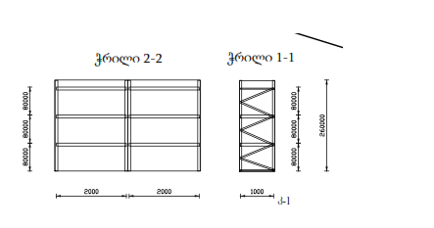
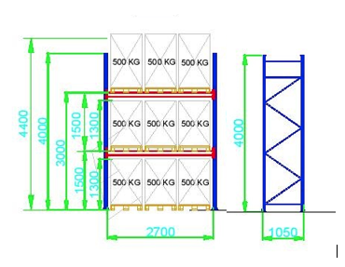
N | Object | Item name | Requirments | Sizes (H/L/W) | QTY (PCS) | Unit Price Gel Inc VAT | Total Price Gel Inc VAT | Manufactory Country | Proposal specifications | Delivery term | Guarantee
1 | Vake-Saburtalo Operation Center (Annex 1) | Warehourse racks | with 3 pcs adjustable hard shelf. The carrying capacity of each shelf is 500 kg | 260*200*100 sm | 14 |  | 0
 |  | Montage Service |  |  | 1 |  | 0
2 | Isani-Samgori Operation Center (Annex N3) | Warehourse racks | with 3 pcs adjustable hard shelf. The carrying capacity of each shelf is 200 kg | 260*200*100 sm | 6 |  | 0
 |  | Warehourse racks | with 3 pcs adjustable hard shelf. The carrying capacity of each shelf is 500 kg | 260*200*100 sm | 9 |  | 0
 |  | Montage Service |  |  | 1 |  | 0
3 | Emergancy Warehouse (AnnexN4) | Euro palet racks | With 2 adjustable partitions, 3-piece Europallet compatibility, each with a load capacity of 500 kg. Total length 80.55 g/m. | 400*270*105 სმ | 32 |  | 0
 |  | Montage Service |  |  | 1 |  | 0
 |  |  |  |  |  |  | 0

 | Drawing for 1 and 2 Positions |  | Drawing for 3 Position

