Sheet1
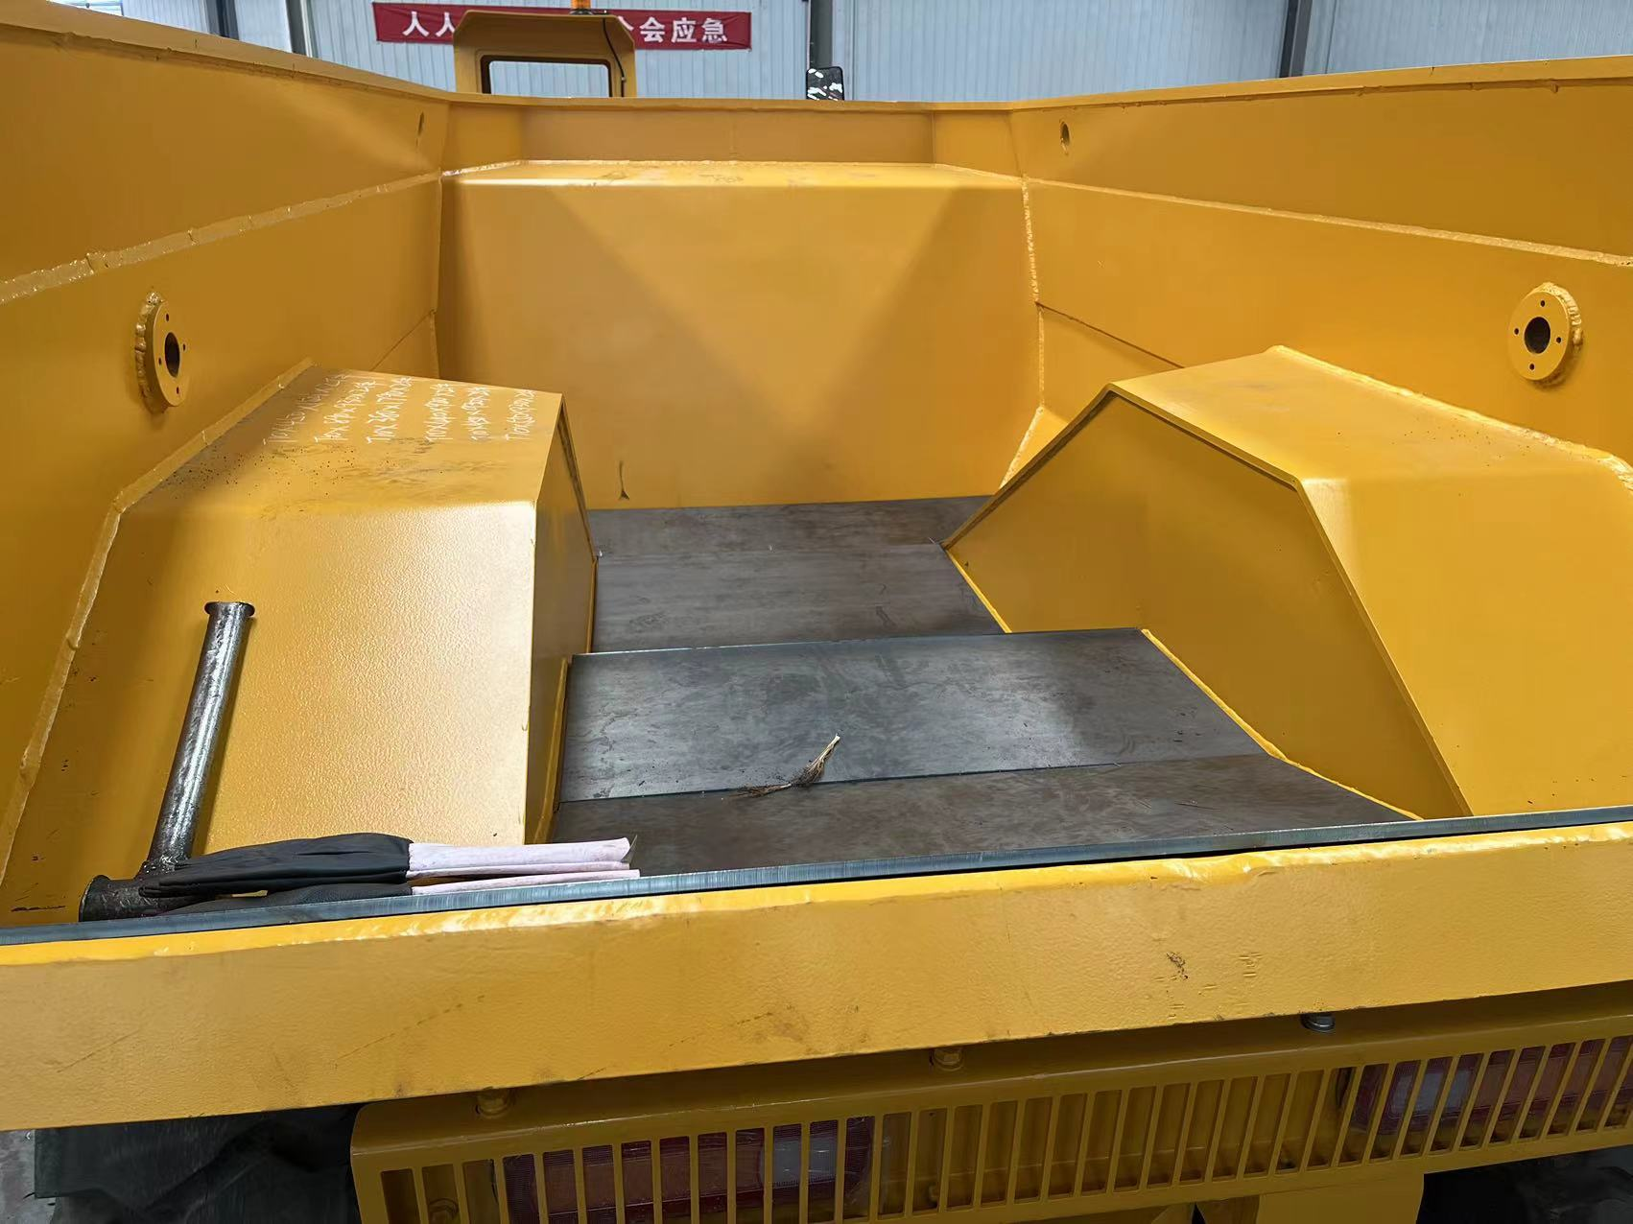
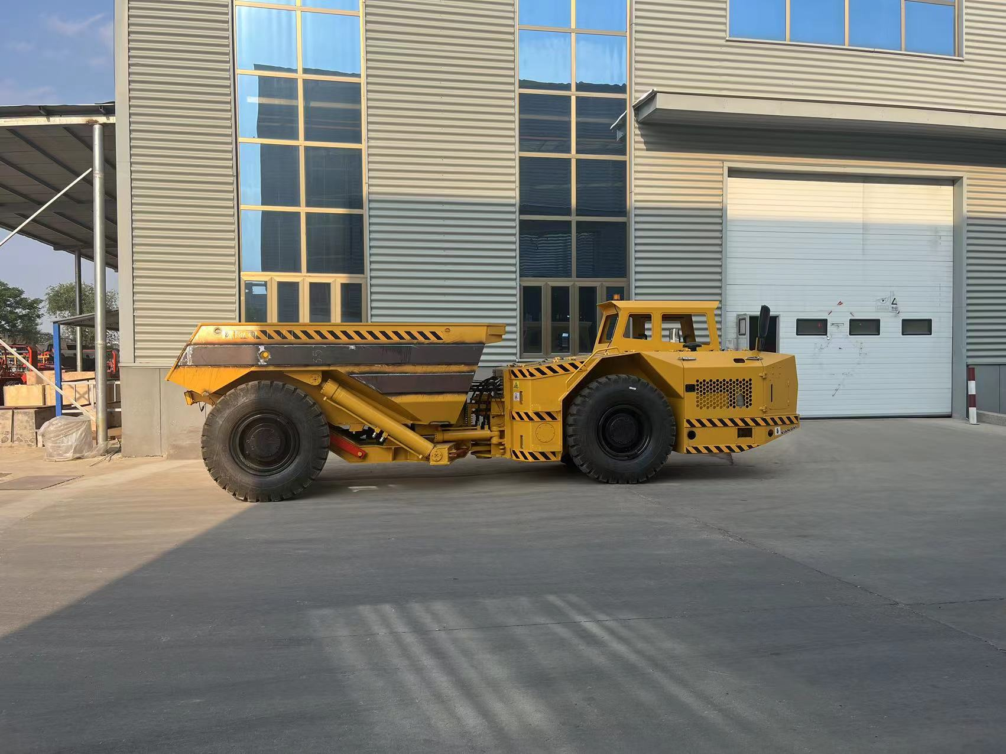
Supplier | Loading Address | Order # | Tender | Length (cm.) | Width (cm.) | Height (cm.) | # of Packages | Volume | Weight (kg.)
Supplier #1 | FOB Qingdao / FCA Xi'an | SBL00004874 | Tires for Underground Loaders | 210 | 110 | 140 | 1 | 3.23 | 650 | Wooden Box
 |  |  | Tires for Underground Loaders | 210 | 110 | 165 | 1 | 3.81 | 760 | Wooden Box
 |  |  | Tires for Underground Loaders | 210 | 110 | 165 | 1 | 3.81 | 760 | Wooden Box
 |  | SBL00003871 | Tender for Unerground Dump Trucks | 760 | 190 | 230 | 2 | 66.42 | 29000
 |  |  |  |  |  |  |  | 77.27 | 31170

Important note: The supplier can send the cargo to Xi'an station, via trucks, stuffing in containers must be done in Xi'an, consignee pays for container stuffing.

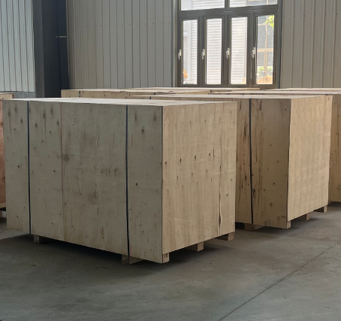
Truck Photos

