Sheet2
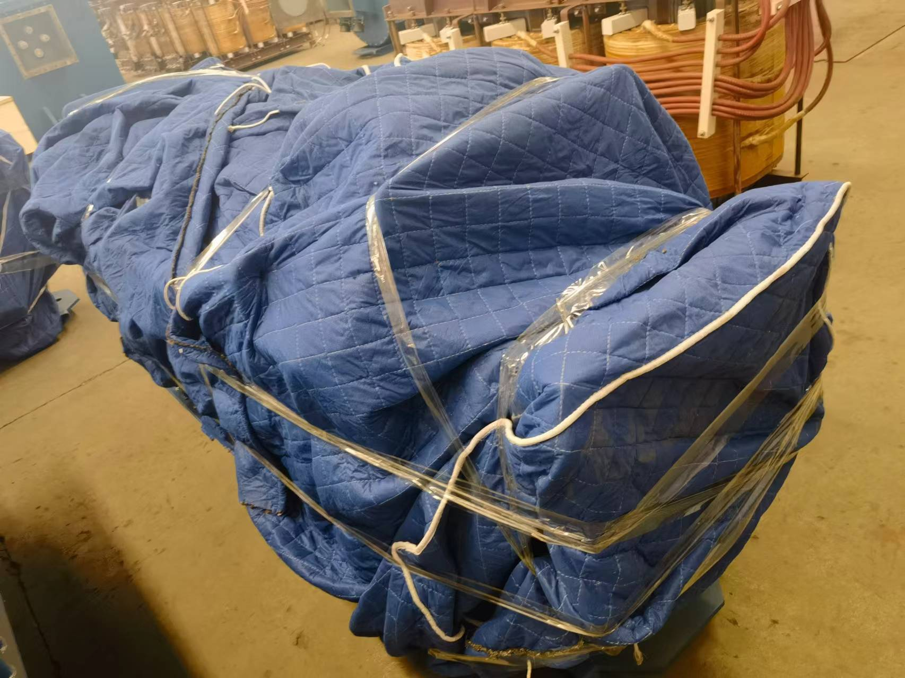
Supplier | Loading Address | Order # | Tender | Length (cm.) | Width (cm.) | Height (cm.) | # of Packages | Volume | Weight (kg.) | Discharging Location | Comment
Supplier #1 | FOB Shanghai | SBL00004510 | Vibrating Screen 2YA1848 Purchase | 575 | 229 | 126 | 1 | 16.59 | 5,000 | Zestaponi | Nude Package
Supplier #2 | FOB Shanghai | SBL00004847 | Mining Flameproof Dry Type Transformer | 280 | 100 | 130 | 2 | 7.28 | 4,000 | Chiatura | Nude Package
Supplier #3 | EXW No.300 Haitang Road ,Tianyi Demonstration Zone,Xiangtan County ,China (湖南湘潭市湘潭县易俗河天易示范区海棠中路300号 | SBL00003944 | 2021 - H2 - CHIA - Mine locomotive Spareparts | 107 | 69 | 79 | 1 | 0.58 | 365 |  | Wooden Box
 |  | SBL00004091 | 2024 - CHIA - H1 - Mine locomotive spare parts | 67 | 52 | 121 | 1 | 0.42 | 140 |  | Wooden Box
 |  | SBL00004333 | 2024 / 2023 - CHIA - H1 - Electric Motors (FINAL) | 96 | 85 | 96 | 6 | 4.70 | 4,700 |  | Wooden Box
 |  |  |  |  |  |  |  | 29.57 | 14,205

Supplier #1 Photos
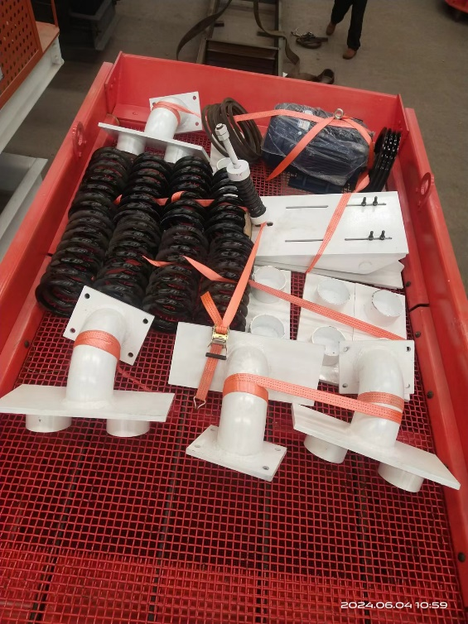
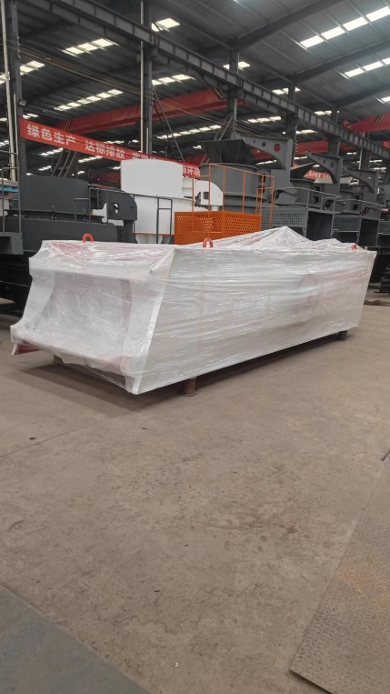
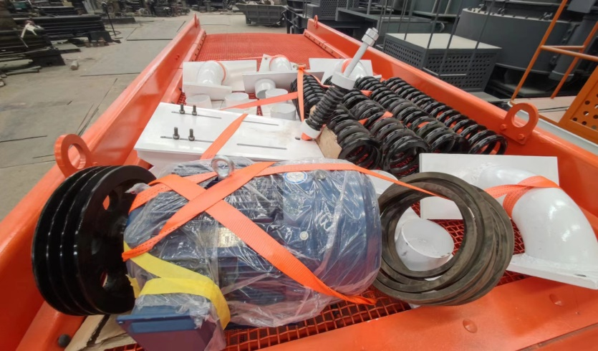

Supplier N2 photo

