Sheet1
N | Description | Materials
 |  | Unit | QTY | price, USD
1 | Wall tiles corners Brushed aluminum, for 9mm thick tiles. | m | 3,600.00 |  | https://www.alibaba.com/product-detail/10mm-2-4m-Aluminium-External-Corner_60816443750.html | 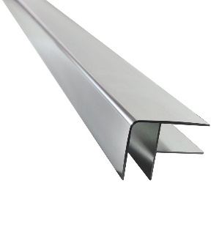
2 | LATASIL Silicone sealant, 6224 - Natural Grey, 305 ml tube. | pcs | 20.00
3 | LATAPOXY 310 Stone Adhesive, 10 L (2.6 gal) All components packed in one carton. 5 L (1.3 gal) Part A, 5 L (1.3 gal) Part B | pcs | 5.00
4 | Sensor controlled Handwash basin mixer | Pcs | 81.00
5 | Siphons, Brass, Chrome plated, | Pcs | 81.00
6 | Round Push Plate, Matt Chrome | Pcs | 115.00
7 | VENICE URINAL BOWL 35CM RAK Code:VN20AWHA | pcs | 41.00
8 | RAK-ECOFIX-FS10 RAK Infrared Urinal Sensors | pcs | 41.00
 |  | Grand Total

 | Warranty for electronic equipment such as Sensors should be 3 Year.

